Applied Filter
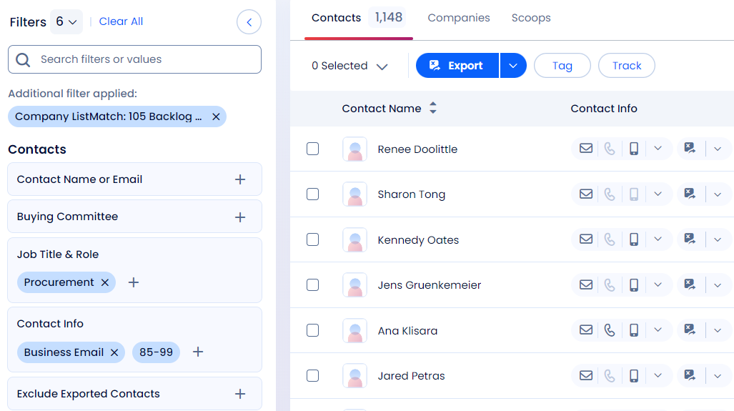
Applied Filter (Location + Title + Business Email) | Preview Count
 | Job Title | No of Preview | Total Preview
Initial Search Count (No of Companies) | CFO |  | -
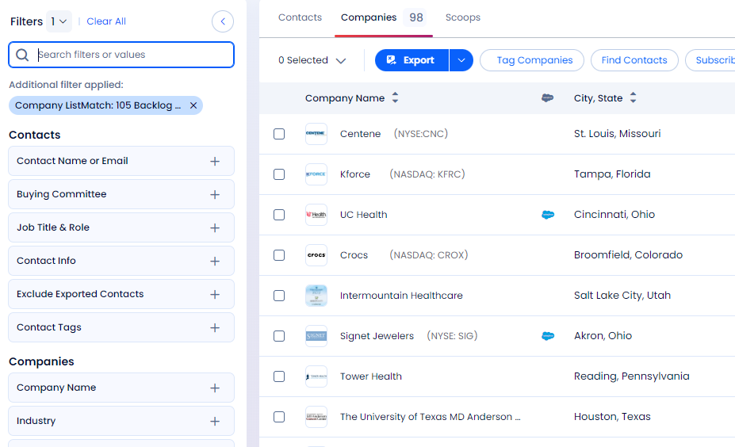
 | CPO
 | COO
 | CAO
 | CEO
 | Finance
 | Treasurer
 | Controller
 | Sourcing
 | Procurement

CFO
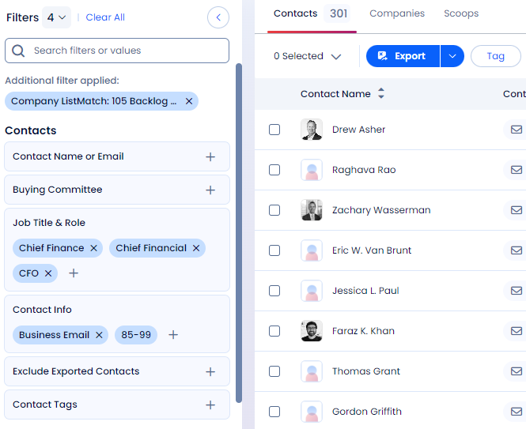

CPO
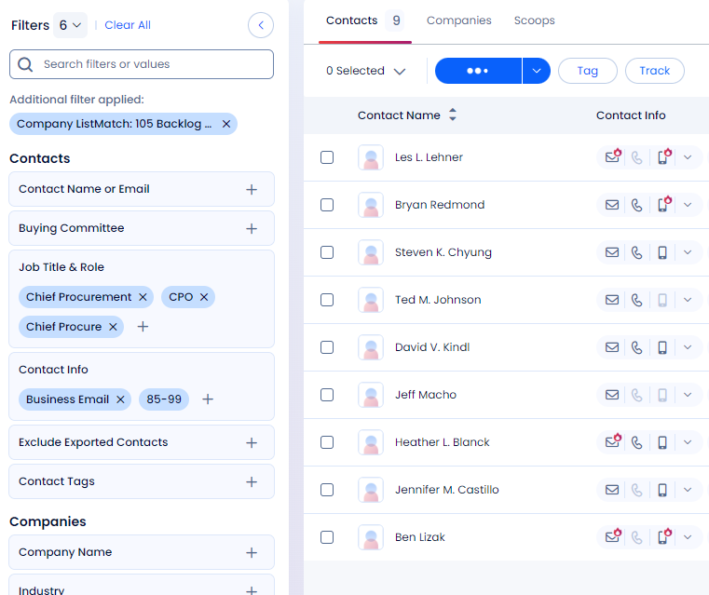

COO
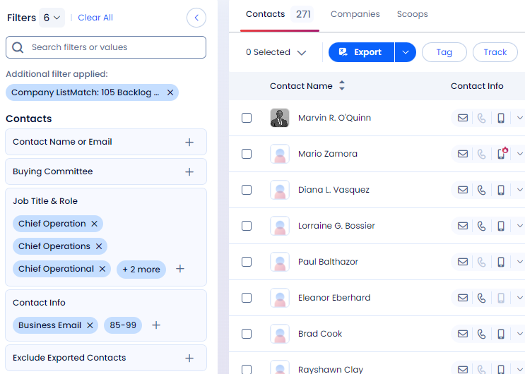

CAO
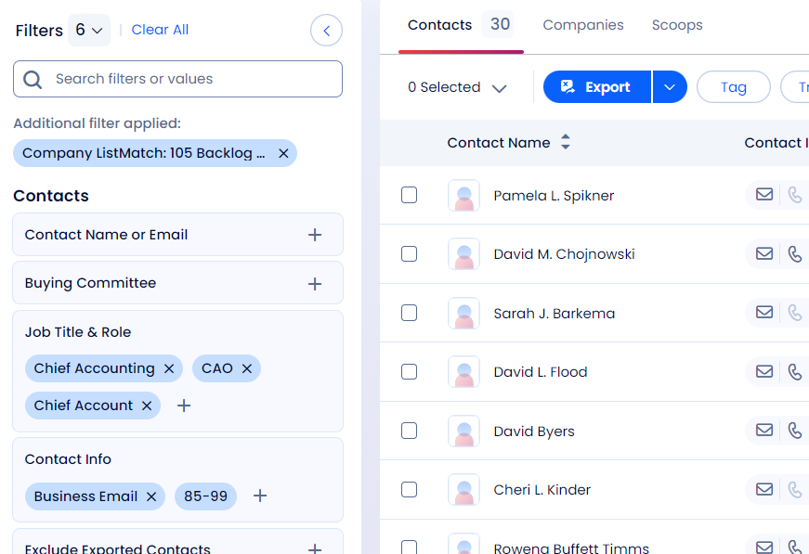

CEO
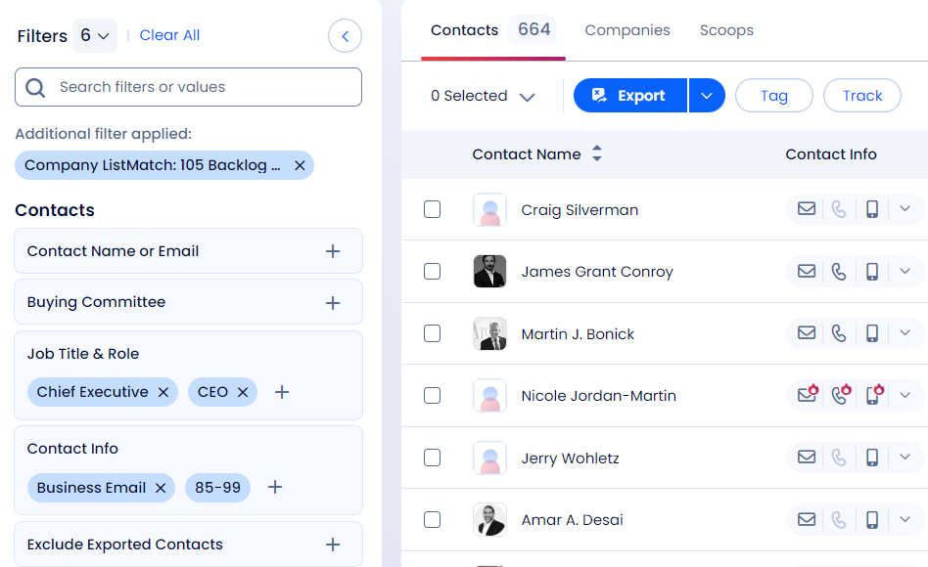

Finance
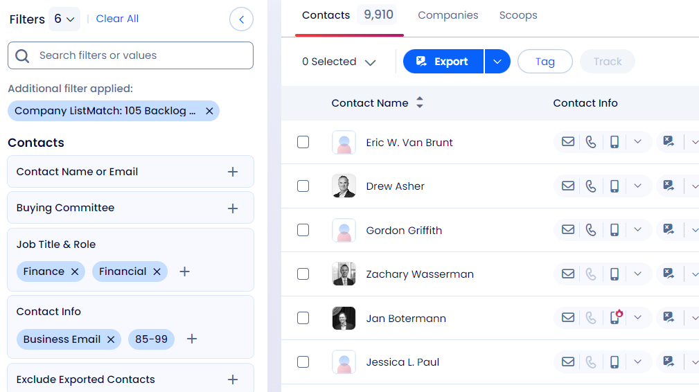

Treasurer
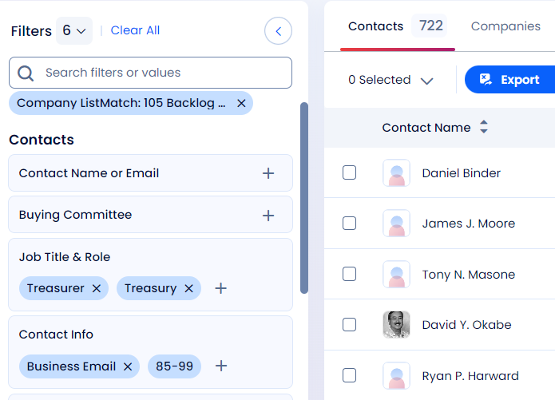

Controller
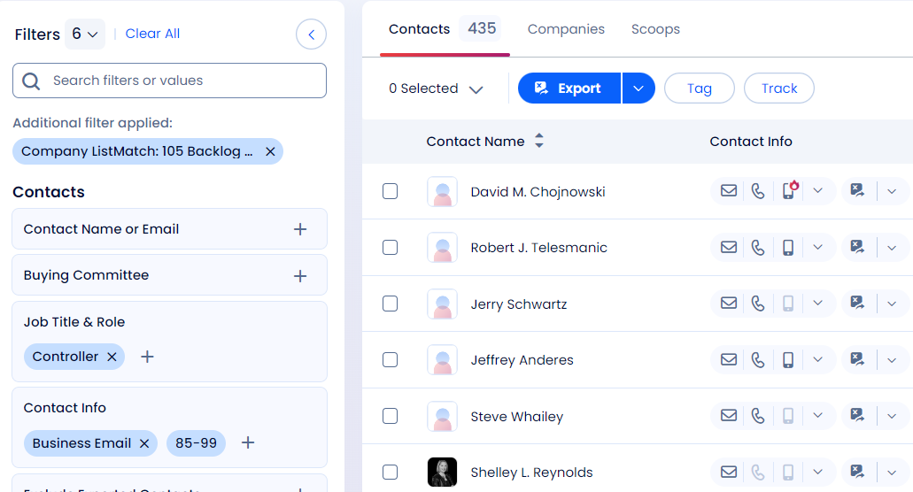

Sourcing
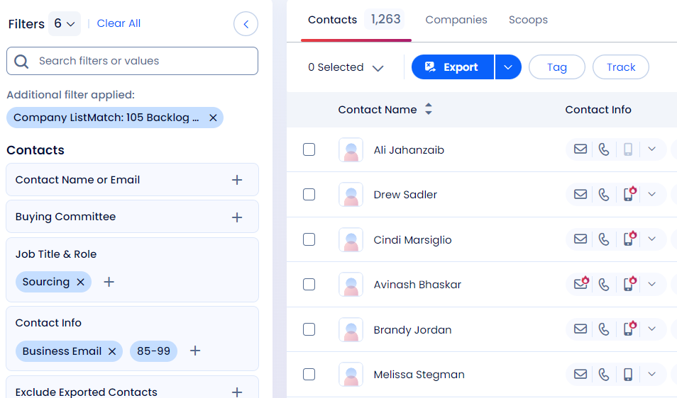

Procurement

